Screen Details
Detailed Screen-by-Screen WCAG Audit
# | Screen Label | Annotated Screenshot | Activity | PASS | FAIL | Cannot Verify | Pass Rate | Status
1 | Screen-01 (HDFC SKY App Signup screens DAO) | 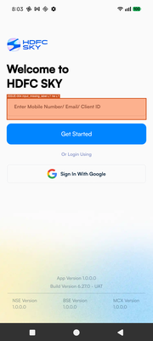 state_2026-03-18_200304_annotated.png | crc6475b5a62042f13b2b.MainActivity | 2 | 3 | 0 | 40.0% | FAIL
2 | Screen-02 (HDFC SKY App Signup screens DAO) | 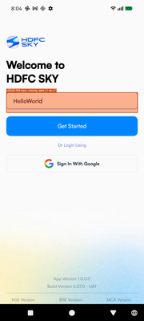 state_2026-03-18_200433_annotated.png | crc6475b5a62042f13b2b.MainActivity | 3 | 1 | 0 | 75.0% | PASS
3 | Screen-03 (HDFC SKY App Signup screens DAO) |  state_2026-03-18_200448_annotated.png | crc6475b5a62042f13b2b.MainActivity | 3 | 1 | 0 | 75.0% | PASS
4 | Screen-04 (HDFC SKY App Signup screens DAO) |  state_2026-03-18_200537_annotated.png | crc6475b5a62042f13b2b.MainActivity | 3 | 1 | 0 | 75.0% | PASS
5 | Screen-05 (HDFC SKY App Signup screens DAO) | 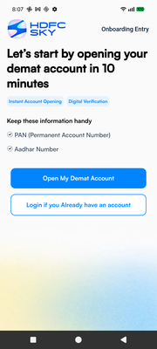 state_2026-03-18_200712_annotated.png | crc6475b5a62042f13b2b.MainActivity | 2 | 0 | 0 | 100.0% | PASS
6 | Screen-06 (HDFC SKY App Signup screens DAO) | 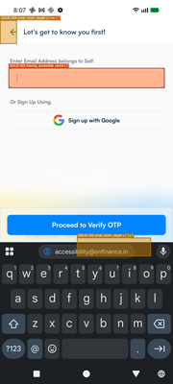 state_2026-03-18_200739_annotated.png | crc6475b5a62042f13b2b.MainActivity | 4 | 7 | 0 | 36.4% | FAIL
7 | Screen-07 (HDFC SKY App Signup screens DAO) | 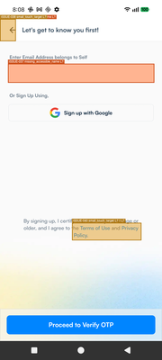 state_2026-03-18_200827_annotated.png | crc6475b5a62042f13b2b.MainActivity | 4 | 7 | 0 | 36.4% | FAIL
8 | Screen-08 (HDFC SKY App Signup screens DAO) | 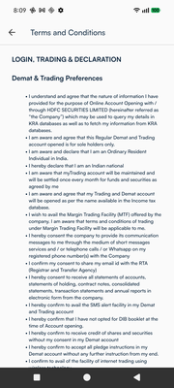 state_2026-03-18_200912_annotated.png | crc6475b5a62042f13b2b.MainActivity | 1 | 0 | 0 | 100.0% | PASS
9 | Screen-09 (HDFC SKY App Signup screens DAO) |  state_2026-03-18_201023_annotated.png | crc6475b5a62042f13b2b.MainActivity | 0 | 0 | 0 | 0% | FAIL
10 | Screen-10 (HDFC SKY App Signup screens DAO) | 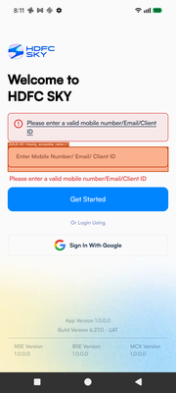 state_2026-03-18_201144_annotated.png | crc6475b5a62042f13b2b.MainActivity | 4 | 1 | 0 | 80.0% | PASS
11 | Screen-11 (HDFC SKY App Signup screens DAO) | 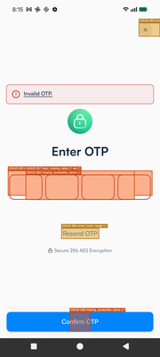 state_2026-03-18_201537_annotated.png | crc6475b5a62042f13b2b.MainActivity | 2 | 6 | 0 | 25.0% | FAIL
12 | Screen-12 (HDFC SKY App Signup screens DAO) |  state_2026-03-18_201612_annotated.png | crc6475b5a62042f13b2b.MainActivity | 4 | 5 | 0 | 44.4% | FAIL
13 | Screen-13 (HDFC SKY App Signup screens DAO) | 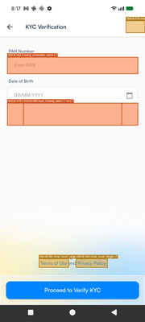 state_2026-03-18_201711_annotated.png | crc6475b5a62042f13b2b.MainActivity | 3 | 5 | 0 | 37.5% | FAIL
14 | Screen-14 (HDFC SKY App Signup screens DAO) |  state_2026-03-18_201759_annotated.png | crc6475b5a62042f13b2b.MainActivity | 5 | 5 | 0 | 50.0% | FAIL
15 | Screen-15 (HDFC SKY App Signup screens DAO) | 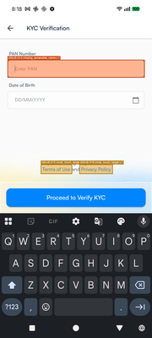 state_2026-03-18_201826_annotated.png | crc6475b5a62042f13b2b.MainActivity | 5 | 5 | 0 | 50.0% | FAIL
16 | Screen-16 (HDFC SKY App Signup screens DAO) | 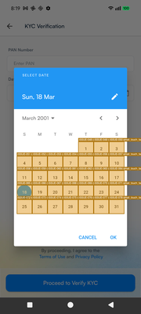 state_2026-03-18_201921_annotated.png | crc6475b5a62042f13b2b.MainActivity | 39 | 29 | 0 | 57.4% | FAIL
17 | Screen-17 (HDFC SKY App Signup screens DAO) | 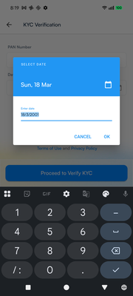 state_2026-03-18_201941_annotated.png | crc6475b5a62042f13b2b.MainActivity | 5 | 0 | 0 | 100.0% | PASS
18 | Screen-18 (HDFC SKY App Signup screens DAO) |  state_2026-03-18_202019_annotated.png | crc6475b5a62042f13b2b.MainActivity | 5 | 5 | 0 | 50.0% | FAIL
19 | Screen-19 (HDFC SKY App Signup screens DAO) | 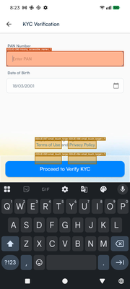 state_2026-03-18_202333_annotated.png | crc6475b5a62042f13b2b.MainActivity | 5 | 5 | 0 | 50.0% | FAIL
20 | Screen-20 (HDFC SKY App Signup screens DAO) | 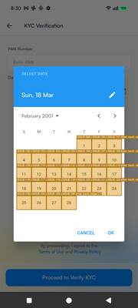 state_2026-03-18_203002_annotated.png | crc6475b5a62042f13b2b.MainActivity | 36 | 26 | 0 | 58.1% | FAIL
21 | Screen-21 (HDFC SKY App Signup screens DAO) |  state_2026-03-18_203044_annotated.png | crc6475b5a62042f13b2b.MainActivity | 5 | 5 | 0 | 50.0% | FAIL

